slide_5
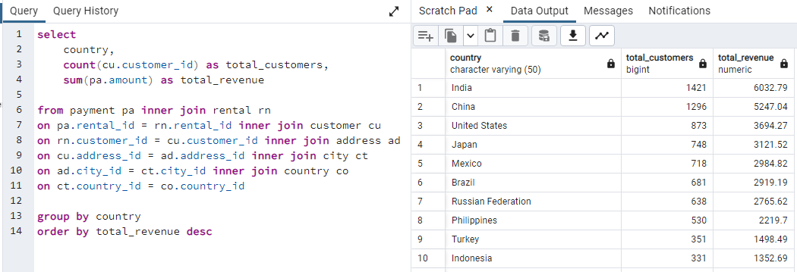
country | total_customers | total_revenue
India | 1421 | 6032.79
China | 1296 | 5247.04
United States | 873 | 3694.27
Japan | 748 | 3121.52
Mexico | 718 | 2984.82
Brazil | 681 | 2919.19
Russian Federation | 638 | 2765.62
Philippines | 530 | 2219.7
Turkey | 351 | 1498.49
Indonesia | 331 | 1352.69
Nigeria | 308 | 1314.92
Argentina | 320 | 1298.8
Taiwan | 290 | 1155.1
South Africa | 254 | 1069.46
Iran | 204 | 877.96
United Kingdom | 203 | 848.97
Poland | 184 | 786.16
Italy | 174 | 753.26
Germany | 176 | 741.24
Vietnam | 155 | 676.45
Ukraine | 147 | 675.53
Colombia | 146 | 661.54
Egypt | 152 | 659.48
Venezuela | 157 | 632.43
Canada | 130 | 559.7
Netherlands | 127 | 557.73
South Korea | 123 | 527.77
Spain | 120 | 513.8
Yemen | 107 | 473.93
Pakistan | 116 | 473.84
Saudi Arabia | 106 | 452.94
Peru | 99 | 407.01
Thailand | 92 | 401.08
Israel | 87 | 379.13
Ecuador | 82 | 369.18
Bangladesh | 81 | 353.19
Algeria | 82 | 349.18
France | 88 | 334.12
Malaysia | 77 | 330.23
Tanzania | 78 | 322.22
Mozambique | 75 | 315.25
United Arab Emirates | 75 | 305.25
Dominican Republic | 74 | 304.26
Chile | 66 | 303.34
Austria | 70 | 284.3
Morocco | 65 | 274.35
Paraguay | 60 | 273.4
Belarus | 64 | 271.36
Latvia | 57 | 249.43
Switzerland | 59 | 248.41
Kenya | 51 | 245.49
Yugoslavia | 51 | 233.49
Puerto Rico | 52 | 224.48
Romania | 58 | 218.42
Runion | 45 | 211.55
French Polynesia | 48 | 205.52
Greece | 46 | 204.54
Sudan | 49 | 202.51
Azerbaijan | 47 | 198.53
Bulgaria | 48 | 194.52
Kazakstan | 49 | 192.51
Angola | 45 | 187.55
Cameroon | 51 | 186.49
Myanmar | 47 | 179.53
Cambodia | 49 | 179.51
Bolivia | 44 | 178.56
Congo, The Democratic Republic of the | 42 | 168.58
Oman | 44 | 161.56
Holy See (Vatican City State) | 32 | 146.68
Nauru | 30 | 143.7
Sweden | 33 | 139.67
Czech Republic | 28 | 132.72
Moldova | 34 | 127.66
Turkmenistan | 26 | 126.74
Chad | 28 | 122.72
Malawi | 27 | 121.73
Zambia | 30 | 121.7
Virgin Islands, U.S. | 31 | 121.69
Greenland | 28 | 119.72
Armenia | 25 | 118.75
Gambia | 27 | 114.73
Iraq | 27 | 111.73
Hungary | 29 | 111.71
Bahrain | 24 | 108.76
North Korea | 29 | 107.71
Brunei | 34 | 107.66
Kuwait | 25 | 106.75
Estonia | 28 | 105.72
Hong Kong | 24 | 104.76
Sri Lanka | 27 | 103.73
Liechtenstein | 26 | 99.74
Anguilla | 32 | 99.68
French Guiana | 20 | 97.8
Faroe Islands | 24 | 96.76
Senegal | 24 | 95.76
Nepal | 17 | 93.83
Tuvalu | 22 | 93.78
Madagascar | 21 | 92.79
Ethiopia | 23 | 91.77
New Zealand | 23 | 85.77
Slovakia | 23 | 80.77
Finland | 21 | 78.79
Tunisia | 22 | 73.78
Afghanistan | 18 | 67.82
Tonga | 16 | 64.84
Saint Vincent and the Grenadines | 18 | 64.82
Lithuania | 22 | 63.78
American Samoa | 15 | 47.85

slide_6
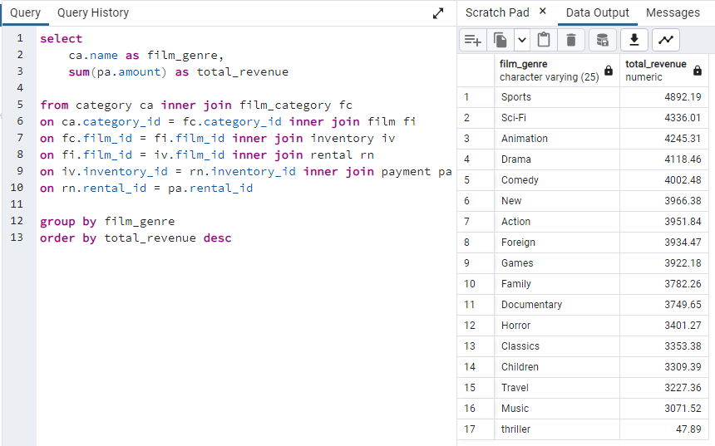
film_category | total_revenue
Sports | 4892.19
Sci-Fi | 4336.01
Animation | 4245.31
Drama | 4118.46
Comedy | 4002.48
New | 3966.38
Action | 3951.84
Foreign | 3934.47
Games | 3922.18
Family | 3782.26
Documentary | 3749.65
Horror | 3401.27
Classics | 3353.38
Children | 3309.39
Travel | 3227.36
Music | 3071.52
thriller | 47.89

slide_6.1
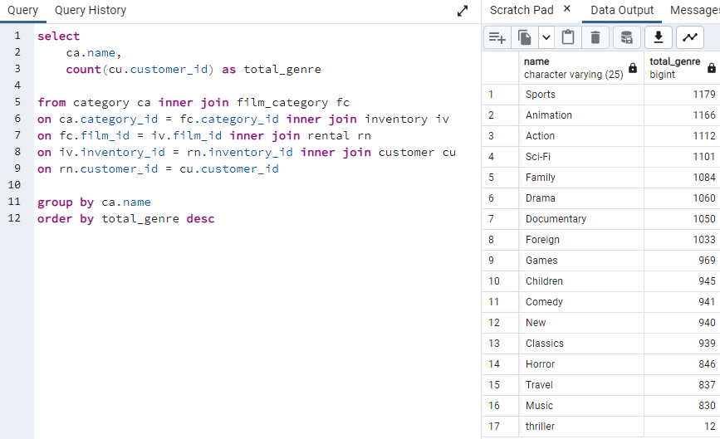
name | total_genre
Sports | 1179
Animation | 1166
Action | 1112
Sci-Fi | 1101
Family | 1084
Drama | 1060
Documentary | 1050
Foreign | 1033
Games | 969
Children | 945
Comedy | 941
New | 940
Classics | 939
Horror | 846
Travel | 837
Music | 830
thriller | 12

slide_7
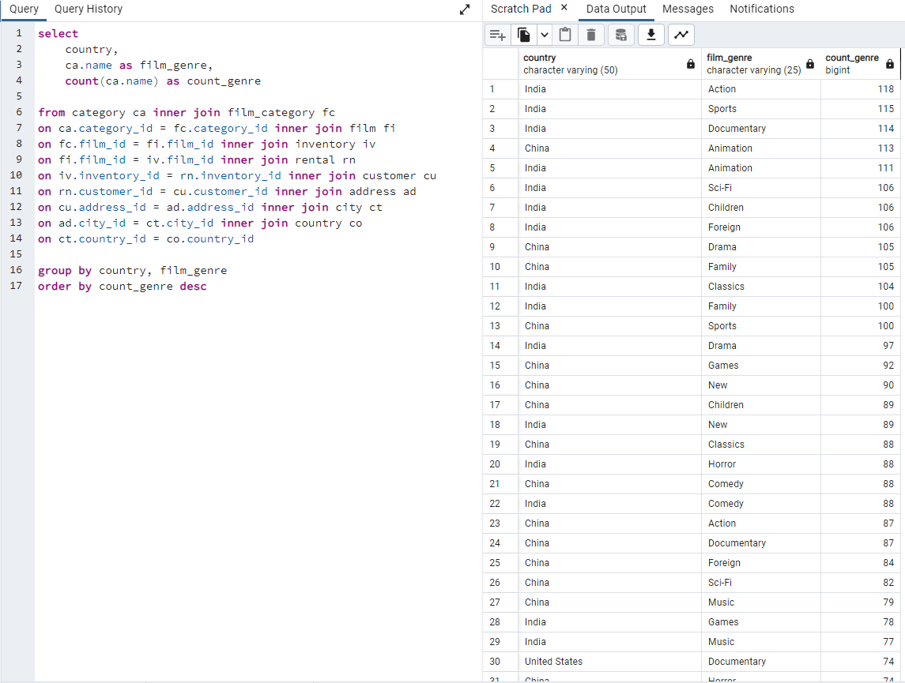
country | film_genre | count_genre
Afghanistan | Comedy | 3
Afghanistan | Classics | 2
Afghanistan | New | 2
Afghanistan | Drama | 2
Afghanistan | Documentary | 2
Afghanistan | Action | 1
Afghanistan | Foreign | 1
Afghanistan | Sci-Fi | 1
Afghanistan | Animation | 1
Afghanistan | Children | 1
Afghanistan | Travel | 1
Afghanistan | Games | 1
Algeria | Sci-Fi | 12
Algeria | New | 10
Algeria | Comedy | 8
Algeria | Children | 7
Algeria | Animation | 7
Algeria | Sports | 6
Algeria | Family | 6
Algeria | Drama | 6
Algeria | Action | 5
Algeria | Foreign | 4
Algeria | Games | 4
Algeria | Music | 4
Algeria | Classics | 3
Algeria | Travel | 3
Algeria | Documentary | 3
Algeria | Horror | 2
American Samoa | Sports | 5
American Samoa | Travel | 3
American Samoa | Comedy | 2
American Samoa | Drama | 1
American Samoa | Action | 1
American Samoa | Horror | 1
American Samoa | Sci-Fi | 1
American Samoa | Music | 1
American Samoa | Foreign | 1
American Samoa | Classics | 1
American Samoa | Animation | 1
American Samoa | Games | 1
American Samoa | Children | 1
Angola | Animation | 7
Angola | Comedy | 7
Angola | Children | 5
Angola | Horror | 5
Angola | Music | 4
Angola | New | 4
Angola | Classics | 4
Angola | Foreign | 3
Angola | Sci-Fi | 3
Angola | Action | 3
Angola | Sports | 2
Angola | Documentary | 1
Angola | Family | 1
Angola | Travel | 1
Angola | Games | 1
Angola | Drama | 1
Anguilla | Travel | 5
Anguilla | Sci-Fi | 4
Anguilla | Animation | 4
Anguilla | Drama | 3
Anguilla | Family | 3
Anguilla | Music | 3
Anguilla | Children | 3
Anguilla | Games | 3
Anguilla | New | 2
Anguilla | Classics | 2
Anguilla | Documentary | 1
Anguilla | Action | 1
Anguilla | Comedy | 1
Argentina | Documentary | 37
Argentina | Sports | 29
Argentina | Family | 29
Argentina | Sci-Fi | 28
Argentina | Animation | 26
Argentina | Action | 25
Argentina | Games | 23
Argentina | Travel | 22
Argentina | Drama | 20
Argentina | Music | 18
Argentina | Classics | 18
Argentina | Foreign | 18
Argentina | New | 17
Argentina | Comedy | 16
Argentina | Children | 13
Argentina | Horror | 13
Armenia | Animation | 5
Armenia | Games | 3
Armenia | Foreign | 3
Armenia | Sci-Fi | 3
Armenia | Sports | 2
Armenia | Documentary | 2
Armenia | Family | 2
Armenia | Action | 2
Armenia | Drama | 1
Armenia | Music | 1
Armenia | Comedy | 1
Austria | Travel | 8
Austria | Classics | 8
Austria | Action | 8
Austria | Family | 8
Austria | Animation | 7
Austria | Drama | 6
Austria | Documentary | 6
Austria | New | 5
Austria | Comedy | 5
Austria | Sports | 4
Austria | Children | 3
Austria | Sci-Fi | 3
Austria | Foreign | 2
Austria | Games | 2
Austria | Music | 1
Austria | Horror | 1
Austria | thriller | 1
Azerbaijan | Horror | 7
Azerbaijan | Foreign | 7
Azerbaijan | Games | 5
Azerbaijan | Action | 4
Azerbaijan | Animation | 4
Azerbaijan | New | 4
Azerbaijan | Comedy | 4
Azerbaijan | Sci-Fi | 4
Azerbaijan | Children | 3
Azerbaijan | Drama | 3
Azerbaijan | Family | 3
Azerbaijan | Sports | 3
Azerbaijan | Music | 3
Azerbaijan | Documentary | 1
Azerbaijan | Travel | 1
Azerbaijan | Classics | 1
Bahrain | Sports | 5
Bahrain | Sci-Fi | 4
Bahrain | Action | 4
Bahrain | Family | 3
Bahrain | Travel | 2
Bahrain | thriller | 1
Bahrain | Documentary | 1
Bahrain | Classics | 1
Bahrain | Games | 1
Bahrain | New | 1
Bahrain | Foreign | 1
Bahrain | Drama | 1
Bangladesh | Horror | 8
Bangladesh | Games | 8
Bangladesh | Sports | 8
Bangladesh | Foreign | 8
Bangladesh | Sci-Fi | 7
Bangladesh | Classics | 7
Bangladesh | Documentary | 7
Bangladesh | Music | 7
Bangladesh | Travel | 6
Bangladesh | Comedy | 5
Bangladesh | Animation | 5
Bangladesh | New | 5
Bangladesh | Drama | 5
Bangladesh | Action | 4
Bangladesh | Family | 3
Bangladesh | Children | 2
Belarus | Action | 8
Belarus | New | 6
Belarus | Classics | 6
Belarus | Animation | 5
Belarus | Travel | 5
Belarus | Drama | 5
Belarus | Games | 5
Belarus | Sports | 5
Belarus | Family | 4
Belarus | Horror | 3
Belarus | Sci-Fi | 3
Belarus | Comedy | 3
Belarus | Children | 2
Belarus | Music | 2
Belarus | Documentary | 2
Belarus | Foreign | 2
Bolivia | New | 5
Bolivia | Family | 5
Bolivia | Children | 5
Bolivia | Documentary | 4
Bolivia | Comedy | 4
Bolivia | Sports | 4
Bolivia | Animation | 4
Bolivia | Classics | 3
Bolivia | Action | 3
Bolivia | Sci-Fi | 3
Bolivia | Music | 3
Bolivia | Horror | 1
Bolivia | Drama | 1
Bolivia | Games | 1
Bolivia | Travel | 1
Brazil | Sci-Fi | 64
Brazil | Sports | 57
Brazil | Animation | 55
Brazil | Drama | 54
Brazil | Documentary | 52
Brazil | Action | 51
Brazil | Foreign | 46
Brazil | New | 45
Brazil | Family | 44
Brazil | Children | 43
Brazil | Classics | 42
Brazil | Horror | 42
Brazil | Travel | 42
Brazil | Comedy | 38
Brazil | Games | 37
Brazil | Music | 36
Brunei | Sports | 5
Brunei | Drama | 4
Brunei | Comedy | 4
Brunei | Travel | 3
Brunei | Documentary | 3
Brunei | Children | 3
Brunei | Sci-Fi | 2
Brunei | Classics | 2
Brunei | Horror | 2
Brunei | Action | 2
Brunei | Music | 1
Brunei | Family | 1
Brunei | Animation | 1
Brunei | Games | 1
Brunei | New | 1
Bulgaria | Sports | 7
Bulgaria | Foreign | 7
Bulgaria | New | 4
Bulgaria | Documentary | 4
Bulgaria | Sci-Fi | 4
Bulgaria | Drama | 3
Bulgaria | Music | 3
Bulgaria | Classics | 3
Bulgaria | Children | 3
Bulgaria | Animation | 3
Bulgaria | Comedy | 3
Bulgaria | Travel | 2
Bulgaria | Action | 2
Bulgaria | Games | 1
Bulgaria | Horror | 1
Cambodia | Documentary | 6
Cambodia | Sports | 5
Cambodia | Animation | 5
Cambodia | Foreign | 5
Cambodia | Action | 4
Cambodia | Sci-Fi | 4
Cambodia | Travel | 4
Cambodia | Classics | 3
Cambodia | Games | 3
Cambodia | Family | 3
Cambodia | Children | 3
Cambodia | New | 2
Cambodia | Music | 2
Cambodia | Horror | 2
Cambodia | Comedy | 1
Cambodia | Drama | 1
Cameroon | Foreign | 8
Cameroon | Action | 5
Cameroon | Family | 5
Cameroon | Documentary | 5
Cameroon | Horror | 4
Cameroon | Games | 4
Cameroon | Children | 4
Cameroon | Animation | 4
Cameroon | Sports | 3
Cameroon | New | 3
Cameroon | Music | 3
Cameroon | Sci-Fi | 2
Cameroon | Travel | 2
Cameroon | Comedy | 1
Cameroon | Drama | 1
Canada | Animation | 15
Canada | Sci-Fi | 14
Canada | Family | 13
Canada | Drama | 11
Canada | Games | 9
Canada | Music | 9
Canada | Comedy | 8
Canada | Foreign | 8
Canada | Children | 8
Canada | Action | 8
Canada | Travel | 7
Canada | Documentary | 6
Canada | New | 6
Canada | Horror | 5
Canada | Sports | 5
Canada | Classics | 4
Canada | thriller | 1
Chad | Sci-Fi | 4
Chad | Sports | 4
Chad | Drama | 3
Chad | Games | 3
Chad | Foreign | 3
Chad | Animation | 3
Chad | Action | 2
Chad | Horror | 2
Chad | Music | 2
Chad | Children | 1
Chad | New | 1
Chad | Comedy | 1
Chad | Family | 1
Chad | Classics | 1
Chad | Travel | 1
Chile | Action | 8
Chile | Classics | 8
Chile | Games | 7
Chile | Foreign | 7
Chile | Comedy | 5
Chile | New | 4
Chile | Children | 4
Chile | Sports | 4
Chile | Travel | 4
Chile | Sci-Fi | 4
Chile | Drama | 4
Chile | Music | 3
Chile | Animation | 3
Chile | Family | 3
Chile | Horror | 2
Chile | Documentary | 1
China | Animation | 113
China | Drama | 105
China | Family | 105
China | Sports | 100
China | Games | 92
China | New | 90
China | Children | 89
China | Classics | 88
China | Comedy | 88
China | Action | 87
China | Documentary | 87
China | Foreign | 84
China | Sci-Fi | 82
China | Music | 79
China | Horror | 74
China | Travel | 63
Colombia | Animation | 16
Colombia | Family | 15
Colombia | Action | 14
Colombia | Sports | 12
Colombia | Drama | 11
Colombia | Horror | 11
Colombia | Documentary | 11
Colombia | Travel | 11
Colombia | Music | 10
Colombia | Comedy | 10
Colombia | Games | 7
Colombia | Sci-Fi | 7
Colombia | New | 7
Colombia | Children | 6
Colombia | Foreign | 6
Colombia | Classics | 5
Congo, The Democratic Republic of the | Travel | 10
Congo, The Democratic Republic of the | Comedy | 5
Congo, The Democratic Republic of the | Games | 5
Congo, The Democratic Republic of the | Horror | 5
Congo, The Democratic Republic of the | Foreign | 4
Congo, The Democratic Republic of the | Drama | 3
Congo, The Democratic Republic of the | Classics | 3
Congo, The Democratic Republic of the | Family | 3
Congo, The Democratic Republic of the | Action | 3
Congo, The Democratic Republic of the | Music | 2
Congo, The Democratic Republic of the | Documentary | 2
Congo, The Democratic Republic of the | Sci-Fi | 2
Congo, The Democratic Republic of the | Sports | 1
Congo, The Democratic Republic of the | New | 1
Congo, The Democratic Republic of the | Animation | 1
Czech Republic | New | 4
Czech Republic | Children | 4
Czech Republic | Comedy | 3
Czech Republic | Sports | 3
Czech Republic | Music | 2
Czech Republic | Travel | 2
Czech Republic | Horror | 2
Czech Republic | Games | 2
Czech Republic | Family | 2
Czech Republic | Foreign | 2
Czech Republic | Drama | 1
Czech Republic | Classics | 1
Czech Republic | Action | 1
Dominican Republic | Foreign | 12
Dominican Republic | New | 8
Dominican Republic | Documentary | 7
Dominican Republic | Sports | 6
Dominican Republic | Comedy | 6
Dominican Republic | Family | 6
Dominican Republic | Drama | 5
Dominican Republic | Games | 4
Dominican Republic | Horror | 4
Dominican Republic | Travel | 4
Dominican Republic | Sci-Fi | 3
Dominican Republic | Music | 3
Dominican Republic | Action | 3
Dominican Republic | Classics | 2
Dominican Republic | Children | 2
Dominican Republic | Animation | 2
Ecuador | Animation | 10
Ecuador | Sports | 10
Ecuador | Family | 8
Ecuador | Sci-Fi | 6
Ecuador | Action | 6
Ecuador | Comedy | 6
Ecuador | Drama | 5
Ecuador | New | 5
Ecuador | Documentary | 5
Ecuador | Games | 5
Ecuador | Music | 4
Ecuador | Foreign | 4
Ecuador | Travel | 4
Ecuador | Children | 4
Ecuador | Horror | 3
Ecuador | Classics | 2
Egypt | Sci-Fi | 17
Egypt | Sports | 15
Egypt | Animation | 14
Egypt | Drama | 14
Egypt | Family | 12
Egypt | Horror | 12
Egypt | Action | 11
Egypt | Foreign | 8
Egypt | Travel | 8
Egypt | Comedy | 8
Egypt | Music | 8
Egypt | Documentary | 7
Egypt | Classics | 7
Egypt | New | 7
Egypt | Games | 7
Egypt | Children | 6
Estonia | Family | 5
Estonia | Sports | 5
Estonia | Foreign | 2
Estonia | Games | 2
Estonia | Action | 2
Estonia | Sci-Fi | 2
Estonia | Comedy | 2
Estonia | Travel | 2
Estonia | Horror | 2
Estonia | New | 1
Estonia | Drama | 1
Estonia | Music | 1
Estonia | Children | 1
Estonia | Animation | 1
Estonia | Documentary | 1
Ethiopia | Family | 3
Ethiopia | Animation | 3
Ethiopia | Classics | 2
Ethiopia | Sports | 2
Ethiopia | Drama | 2
Ethiopia | Children | 2
Ethiopia | Games | 2
Ethiopia | Foreign | 1
Ethiopia | Sci-Fi | 1
Ethiopia | Travel | 1
Ethiopia | New | 1
Ethiopia | Documentary | 1
Ethiopia | Music | 1
Ethiopia | Comedy | 1
Faroe Islands | Animation | 4
Faroe Islands | Sports | 4
Faroe Islands | Sci-Fi | 4
Faroe Islands | Family | 4
Faroe Islands | Drama | 3
Faroe Islands | Comedy | 2
Faroe Islands | Documentary | 1
Faroe Islands | Action | 1
Faroe Islands | Children | 1
Faroe Islands | Games | 1
Faroe Islands | Travel | 1
Faroe Islands | New | 1
Faroe Islands | Music | 1
Finland | Action | 4
Finland | Games | 3
Finland | Sports | 3
Finland | Family | 3
Finland | Children | 2
Finland | Comedy | 2
Finland | New | 2
Finland | Animation | 2
Finland | Sci-Fi | 2
Finland | Travel | 2
Finland | Classics | 1
France | Action | 11
France | Drama | 10
France | Sports | 10
France | Foreign | 8
France | Sci-Fi | 7
France | New | 7
France | Comedy | 7
France | Family | 6
France | Animation | 6
France | Classics | 5
France | Children | 5
France | Horror | 5
France | Music | 4
France | Travel | 3
France | Games | 1
France | Documentary | 1
French Guiana | Animation | 4
French Guiana | Drama | 3
French Guiana | Action | 3
French Guiana | Comedy | 2
French Guiana | Foreign | 2
French Guiana | Travel | 2
French Guiana | Music | 1
French Guiana | Family | 1
French Guiana | Documentary | 1
French Guiana | Sports | 1
French Guiana | Horror | 1
French Guiana | Sci-Fi | 1
French Polynesia | Travel | 6
French Polynesia | Classics | 6
French Polynesia | New | 5
French Polynesia | Action | 5
French Polynesia | Games | 4
French Polynesia | Sci-Fi | 4
French Polynesia | Foreign | 4
French Polynesia | Comedy | 4
French Polynesia | Documentary | 4
French Polynesia | Sports | 3
French Polynesia | Family | 3
French Polynesia | Drama | 2
French Polynesia | Children | 2
French Polynesia | Horror | 1
French Polynesia | Animation | 1
Gambia | Comedy | 6
Gambia | Action | 3
Gambia | Drama | 3
Gambia | New | 2
Gambia | Sci-Fi | 2
Gambia | Animation | 2
Gambia | Foreign | 2
Gambia | Games | 2
Gambia | Travel | 2
Gambia | Documentary | 2
Gambia | Horror | 1
Gambia | Classics | 1
Gambia | Music | 1
Gambia | Children | 1
Germany | Animation | 21
Germany | Action | 18
Germany | Classics | 14
Germany | Drama | 13
Germany | Sports | 13
Germany | Family | 12
Germany | Foreign | 12
Germany | Games | 12
Germany | Children | 11
Germany | Comedy | 11
Germany | Documentary | 11
Germany | Travel | 11
Germany | Music | 10
Germany | New | 10
Germany | Sci-Fi | 10
Germany | Horror | 7
Greece | Sports | 7
Greece | Action | 6
Greece | Music | 5
Greece | Family | 4
Greece | Sci-Fi | 4
Greece | Horror | 3
Greece | Animation | 3
Greece | Drama | 3
Greece | Travel | 3
Greece | Games | 3
Greece | New | 3
Greece | Comedy | 3
Greece | Classics | 3
Greece | Foreign | 2
Greece | Documentary | 2
Greenland | Games | 4
Greenland | New | 4
Greenland | Sports | 3
Greenland | Classics | 3
Greenland | Family | 2
Greenland | Documentary | 2
Greenland | Music | 2
Greenland | Travel | 2
Greenland | Foreign | 2
Greenland | Comedy | 2
Greenland | Action | 2
Greenland | Horror | 2
Greenland | Drama | 2
Greenland | Animation | 1
Greenland | Sci-Fi | 1
Holy See (Vatican City State) | Documentary | 5
Holy See (Vatican City State) | Drama | 4
Holy See (Vatican City State) | Foreign | 4
Holy See (Vatican City State) | Sports | 3
Holy See (Vatican City State) | Games | 3
Holy See (Vatican City State) | Action | 3
Holy See (Vatican City State) | Classics | 2
Holy See (Vatican City State) | Music | 2
Holy See (Vatican City State) | Children | 2
Holy See (Vatican City State) | Sci-Fi | 2
Holy See (Vatican City State) | Family | 1
Holy See (Vatican City State) | Comedy | 1
Holy See (Vatican City State) | Horror | 1
Holy See (Vatican City State) | Travel | 1
Hong Kong | Sports | 4
Hong Kong | Foreign | 4
Hong Kong | Documentary | 3
Hong Kong | Family | 3
Hong Kong | Games | 3
Hong Kong | Sci-Fi | 2
Hong Kong | Action | 2
Hong Kong | Classics | 2
Hong Kong | Children | 2
Hong Kong | Drama | 1
Hong Kong | New | 1
Hong Kong | Music | 1
Hong Kong | Animation | 1
Hong Kong | Comedy | 1
Hungary | Family | 4
Hungary | Sci-Fi | 4
Hungary | Children | 3
Hungary | Sports | 3
Hungary | Travel | 3
Hungary | Classics | 2
Hungary | New | 2
Hungary | Documentary | 2
Hungary | Comedy | 2
Hungary | Drama | 1
Hungary | Games | 1
Hungary | Music | 1
Hungary | Action | 1
India | Action | 118
India | Sports | 115
India | Documentary | 114
India | Animation | 111
India | Sci-Fi | 106
India | Children | 106
India | Foreign | 106
India | Classics | 104
India | Family | 100
India | Drama | 97
India | New | 89
India | Horror | 88
India | Comedy | 88
India | Games | 78
India | Music | 77
India | Travel | 73
India | thriller | 2
Indonesia | Action | 32
Indonesia | Family | 26
Indonesia | Drama | 26
Indonesia | Classics | 26
Indonesia | New | 26
Indonesia | Animation | 26
Indonesia | Games | 25
Indonesia | Children | 24
Indonesia | Foreign | 23
Indonesia | Sci-Fi | 22
Indonesia | Documentary | 22
Indonesia | Sports | 21
Indonesia | Music | 20
Indonesia | Travel | 17
Indonesia | Horror | 16
Indonesia | Comedy | 15
Iran | Classics | 20
Iran | Comedy | 18
Iran | Sci-Fi | 16
Iran | Family | 16
Iran | Action | 16
Iran | Foreign | 15
Iran | Documentary | 15
Iran | Children | 15
Iran | Animation | 14
Iran | Sports | 14
Iran | Games | 13
Iran | Horror | 12
Iran | Drama | 11
Iran | Music | 11
Iran | New | 10
Iran | Travel | 9
Iraq | Sports | 6
Iraq | Comedy | 3
Iraq | Games | 3
Iraq | Action | 2
Iraq | Documentary | 2
Iraq | Foreign | 2
Iraq | New | 2
Iraq | Family | 2
Iraq | Drama | 1
Iraq | Classics | 1
Iraq | Travel | 1
Iraq | Horror | 1
Iraq | Sci-Fi | 1
Israel | Sci-Fi | 10
Israel | Foreign | 9
Israel | Classics | 9
Israel | Action | 8
Israel | Sports | 8
Israel | Animation | 7
Israel | Family | 7
Israel | Documentary | 7
Israel | Comedy | 7
Israel | New | 6
Israel | Drama | 5
Israel | Children | 4
Israel | Horror | 4
Israel | Games | 3
Israel | Travel | 3
Israel | Music | 2
Italy | Family | 18
Italy | Children | 17
Italy | Drama | 15
Italy | Classics | 14
Italy | Sports | 13
Italy | Games | 13
Italy | Animation | 13
Italy | Music | 12
Italy | Action | 10
Italy | New | 10
Italy | Foreign | 10
Italy | Comedy | 10
Italy | Horror | 9
Italy | Sci-Fi | 9
Italy | Travel | 8
Italy | Documentary | 8
Japan | Animation | 68
Japan | Sci-Fi | 64
Japan | Drama | 63
Japan | Documentary | 60
Japan | New | 59
Japan | Sports | 54
Japan | Classics | 52
Japan | Games | 50
Japan | Comedy | 50
Japan | Children | 50
Japan | Travel | 49
Japan | Family | 45
Japan | Foreign | 44
Japan | Action | 43
Japan | Horror | 39
Japan | Music | 34
Japan | thriller | 1
Kazakstan | Documentary | 7
Kazakstan | Drama | 7
Kazakstan | Animation | 5
Kazakstan | Horror | 5
Kazakstan | Comedy | 4
Kazakstan | Children | 4
Kazakstan | Music | 4
Kazakstan | Action | 3
Kazakstan | Sports | 3
Kazakstan | Family | 3
Kazakstan | Foreign | 2
Kazakstan | New | 2
Kazakstan | Games | 1
Kazakstan | Classics | 1
Kazakstan | Sci-Fi | 1
Kenya | Action | 7
Kenya | Games | 6
Kenya | Travel | 6
Kenya | Comedy | 5
Kenya | Sports | 4
Kenya | Music | 4
Kenya | Family | 4
Kenya | Foreign | 4
Kenya | Animation | 4
Kenya | Children | 4
Kenya | Horror | 2
Kenya | Classics | 2
Kenya | Drama | 1
Kenya | Sci-Fi | 1
Kuwait | Foreign | 4
Kuwait | Classics | 4
Kuwait | Music | 2
Kuwait | Games | 2
Kuwait | Comedy | 2
Kuwait | Family | 2
Kuwait | Children | 2
Kuwait | Sports | 2
Kuwait | Documentary | 2
Kuwait | Animation | 1
Kuwait | New | 1
Kuwait | Action | 1
Kuwait | Drama | 1
Latvia | Sci-Fi | 8
Latvia | Sports | 7
Latvia | Games | 7
Latvia | Action | 5
Latvia | Classics | 5
Latvia | Animation | 5
Latvia | Drama | 4
Latvia | Comedy | 4
Latvia | Children | 3
Latvia | New | 3
Latvia | Travel | 3
Latvia | Horror | 2
Latvia | Music | 2
Latvia | Documentary | 1
Latvia | Family | 1
Liechtenstein | Action | 4
Liechtenstein | Foreign | 4
Liechtenstein | Games | 3
Liechtenstein | Sci-Fi | 3
Liechtenstein | Classics | 3
Liechtenstein | Family | 2
Liechtenstein | Documentary | 2
Liechtenstein | Sports | 2
Liechtenstein | Horror | 2
Liechtenstein | Comedy | 1
Liechtenstein | New | 1
Liechtenstein | Children | 1
Lithuania | Children | 3
Lithuania | Music | 2
Lithuania | Classics | 2
Lithuania | Animation | 2
Lithuania | Travel | 2
Lithuania | New | 2
Lithuania | Sports | 2
Lithuania | Documentary | 2
Lithuania | Foreign | 2
Lithuania | Sci-Fi | 1
Lithuania | Family | 1
Lithuania | Drama | 1
Lithuania | Comedy | 1
Lithuania | Horror | 1
Madagascar | Horror | 4
Madagascar | Sports | 3
Madagascar | Family | 3
Madagascar | Comedy | 2
Madagascar | New | 2
Madagascar | Sci-Fi | 2
Madagascar | Games | 2
Madagascar | Documentary | 2
Madagascar | Foreign | 1
Madagascar | Animation | 1
Malawi | Music | 4
Malawi | Classics | 4
Malawi | Sports | 3
Malawi | Sci-Fi | 3
Malawi | Children | 2
Malawi | Comedy | 2
Malawi | Family | 2
Malawi | Documentary | 2
Malawi | Foreign | 1
Malawi | Animation | 1
Malawi | Horror | 1
Malawi | New | 1
Malawi | Travel | 1
Malawi | Drama | 1
Malaysia | Sci-Fi | 9
Malaysia | Documentary | 8
Malaysia | Sports | 8
Malaysia | Children | 8
Malaysia | Comedy | 7
Malaysia | Action | 7
Malaysia | Travel | 7
Malaysia | Foreign | 7
Malaysia | Family | 5
Malaysia | Games | 5
Malaysia | Horror | 4
Malaysia | Drama | 3
Malaysia | Music | 3
Malaysia | Animation | 3
Malaysia | New | 1
Mexico | Sports | 69
Mexico | Drama | 63
Mexico | Sci-Fi | 62
Mexico | Documentary | 58
Mexico | Foreign | 57
Mexico | Action | 56
Mexico | Children | 52
Mexico | Family | 51
Mexico | Games | 49
Mexico | Animation | 48
Mexico | Classics | 46
Mexico | Travel | 45
Mexico | Comedy | 36
Mexico | Music | 36
Mexico | New | 34
Mexico | Horror | 34
Moldova | Children | 7
Moldova | Classics | 5
Moldova | Family | 4
Moldova | Foreign | 4
Moldova | Documentary | 2
Moldova | Travel | 2
Moldova | Drama | 2
Moldova | Animation | 2
Moldova | New | 2
Moldova | Comedy | 1
Moldova | Sci-Fi | 1
Moldova | Music | 1
Moldova | Horror | 1
Morocco | Foreign | 9
Morocco | Animation | 7
Morocco | Children | 6
Morocco | Family | 6
Morocco | Games | 6
Morocco | Comedy | 5
Morocco | Documentary | 5
Morocco | Horror | 5
Morocco | Action | 5
Morocco | Sci-Fi | 4
Morocco | Music | 3
Morocco | Classics | 3
Morocco | Sports | 3
Morocco | Drama | 2
Morocco | Travel | 1
Morocco | New | 1
Mozambique | Documentary | 12
Mozambique | Foreign | 10
Mozambique | New | 10
Mozambique | Games | 7
Mozambique | Family | 6
Mozambique | Action | 5
Mozambique | Music | 5
Mozambique | Children | 5
Mozambique | Sci-Fi | 4
Mozambique | Travel | 4
Mozambique | Sports | 3
Mozambique | Horror | 3
Mozambique | Animation | 2
Mozambique | Classics | 2
Mozambique | Comedy | 1
Mozambique | Drama | 1
Myanmar | Comedy | 7
Myanmar | Drama | 6
Myanmar | Sports | 4
Myanmar | Travel | 4
Myanmar | Family | 4
Myanmar | Horror | 4
Myanmar | Action | 4
Myanmar | New | 4
Myanmar | Sci-Fi | 3
Myanmar | Children | 2
Myanmar | Documentary | 2
Myanmar | Games | 2
Myanmar | Foreign | 2
Myanmar | Animation | 2
Myanmar | Music | 1
Myanmar | Classics | 1
Nauru | Comedy | 5
Nauru | Horror | 5
Nauru | Drama | 4
Nauru | Games | 3
Nauru | Children | 2
Nauru | Sci-Fi | 2
Nauru | Family | 2
Nauru | Music | 2
Nauru | Travel | 2
Nauru | Action | 1
Nauru | Classics | 1
Nauru | Foreign | 1
Nauru | New | 1
Nepal | Sci-Fi | 3
Nepal | Foreign | 3
Nepal | Horror | 2
Nepal | Sports | 2
Nepal | Travel | 2
Nepal | Comedy | 2
Nepal | Classics | 2
Nepal | Games | 1
Nepal | Drama | 1
Nepal | Animation | 1
Nepal | Action | 1
Nepal | Family | 1
Nepal | Music | 1
Netherlands | Animation | 13
Netherlands | Sports | 13
Netherlands | Games | 11
Netherlands | New | 10
Netherlands | Travel | 10
Netherlands | Action | 9
Netherlands | Drama | 9
Netherlands | Comedy | 9
Netherlands | Documentary | 8
Netherlands | Horror | 8
Netherlands | Sci-Fi | 8
Netherlands | Children | 7
Netherlands | Family | 6
Netherlands | Music | 5
Netherlands | Foreign | 4
Netherlands | Classics | 4
New Zealand | Classics | 4
New Zealand | Drama | 4
New Zealand | Sports | 3
New Zealand | Travel | 2
New Zealand | Sci-Fi | 2
New Zealand | New | 2
New Zealand | Horror | 2
New Zealand | Action | 1
New Zealand | Animation | 1
New Zealand | Children | 1
New Zealand | Documentary | 1
New Zealand | Foreign | 1
Nigeria | Foreign | 30
Nigeria | Documentary | 29
Nigeria | Sci-Fi | 27
Nigeria | Sports | 26
Nigeria | Comedy | 24
Nigeria | Children | 23
Nigeria | Horror | 23
Nigeria | Action | 21
Nigeria | Animation | 21
Nigeria | Family | 21
Nigeria | Classics | 19
Nigeria | Music | 19
Nigeria | Drama | 18
Nigeria | Games | 17
Nigeria | Travel | 17
Nigeria | New | 17
North Korea | Documentary | 6
North Korea | Music | 5
North Korea | Animation | 3
North Korea | Children | 2
North Korea | Sports | 2
North Korea | Foreign | 2
North Korea | Games | 2
North Korea | Family | 2
North Korea | Comedy | 2
North Korea | Sci-Fi | 1
North Korea | Action | 1
North Korea | Travel | 1
North Korea | Horror | 1
North Korea | New | 1
Oman | Foreign | 5
Oman | New | 5
Oman | Travel | 5
Oman | Drama | 4
Oman | Comedy | 4
Oman | Classics | 4
Oman | Sci-Fi | 4
Oman | Games | 3
Oman | Horror | 3
Oman | Documentary | 3
Oman | Family | 3
Oman | Children | 2
Oman | Action | 2
Oman | Sports | 2
Oman | Music | 1
Pakistan | Sports | 12
Pakistan | Action | 11
Pakistan | Drama | 10
Pakistan | Foreign | 10
Pakistan | Documentary | 10
Pakistan | Travel | 9
Pakistan | Children | 9
Pakistan | Classics | 9
Pakistan | Sci-Fi | 8
Pakistan | Family | 7
Pakistan | New | 7
Pakistan | Horror | 6
Pakistan | Comedy | 6
Pakistan | Music | 5
Pakistan | Games | 5
Pakistan | Animation | 4
Paraguay | Sci-Fi | 8
Paraguay | Horror | 8
Paraguay | Animation | 7
Paraguay | Comedy | 5
Paraguay | Music | 5
Paraguay | Classics | 4
Paraguay | Games | 3
Paraguay | New | 3
Paraguay | Sports | 3
Paraguay | Foreign | 3
Paraguay | Family | 3
Paraguay | Travel | 3
Paraguay | Documentary | 3
Paraguay | Action | 2
Paraguay | Children | 1
Paraguay | Drama | 1
Peru | Sports | 13
Peru | Travel | 10
Peru | Sci-Fi | 10
Peru | Horror | 9
Peru | Foreign | 9
Peru | Classics | 9
Peru | New | 8
Peru | Family | 8
Peru | Games | 7
Peru | Children | 6
Peru | Comedy | 5
Peru | Documentary | 4
Peru | Drama | 4
Peru | Action | 4
Peru | Animation | 3
Peru | Music | 3
Philippines | Animation | 58
Philippines | Foreign | 49
Philippines | Family | 42
Philippines | Sports | 39
Philippines | Comedy | 38
Philippines | Games | 35
Philippines | Drama | 33
Philippines | Children | 32
Philippines | Music | 31
Philippines | New | 31
Philippines | Action | 31
Philippines | Sci-Fi | 31
Philippines | Horror | 30
Philippines | Travel | 30
Philippines | Classics | 29
Philippines | Documentary | 29
Poland | Sports | 22
Poland | Comedy | 17
Poland | New | 17
Poland | Action | 15
Poland | Foreign | 15
Poland | Music | 15
Poland | Sci-Fi | 14
Poland | Animation | 13
Poland | Horror | 12
Poland | Drama | 11
Poland | Documentary | 11
Poland | Family | 10
Poland | Travel | 10
Poland | Children | 10
Poland | Classics | 6
Poland | Games | 5
Puerto Rico | New | 7
Puerto Rico | Games | 7
Puerto Rico | Foreign | 6
Puerto Rico | Action | 5
Puerto Rico | Animation | 5
Puerto Rico | Drama | 4
Puerto Rico | Music | 4
Puerto Rico | Sports | 4
Puerto Rico | Horror | 4
Puerto Rico | Children | 3
Puerto Rico | Sci-Fi | 3
Puerto Rico | Travel | 3
Puerto Rico | Classics | 2
Puerto Rico | Family | 2
Puerto Rico | Documentary | 2
Romania | Sci-Fi | 7
Romania | Sports | 6
Romania | Action | 5
Romania | Classics | 5
Romania | Horror | 5
Romania | Music | 5
Romania | Children | 5
Romania | Animation | 4
Romania | New | 4
Romania | Foreign | 3
Romania | Games | 3
Romania | Comedy | 3
Romania | Family | 2
Romania | Documentary | 2
Romania | Drama | 2
Romania | Travel | 1
Runion | Sci-Fi | 7
Runion | Family | 6
Runion | Travel | 5
Runion | Classics | 4
Runion | Foreign | 4
Runion | Horror | 4
Runion | Documentary | 3
Runion | Games | 3
Runion | Action | 3
Runion | New | 2
Runion | Comedy | 2
Runion | Music | 1
Runion | Sports | 1
Runion | Drama | 1
Russian Federation | Family | 58
Russian Federation | Animation | 55
Russian Federation | Action | 53
Russian Federation | Games | 49
Russian Federation | Classics | 46
Russian Federation | Documentary | 46
Russian Federation | Sci-Fi | 44
Russian Federation | Children | 43
Russian Federation | Travel | 41
Russian Federation | Music | 41
Russian Federation | New | 41
Russian Federation | Sports | 40
Russian Federation | Comedy | 40
Russian Federation | Foreign | 39
Russian Federation | Drama | 39
Russian Federation | Horror | 36
Russian Federation | thriller | 2
Saint Vincent and the Grenadines | Horror | 4
Saint Vincent and the Grenadines | Documentary | 3
Saint Vincent and the Grenadines | Children | 3
Saint Vincent and the Grenadines | Drama | 2
Saint Vincent and the Grenadines | Action | 2
Saint Vincent and the Grenadines | Music | 2
Saint Vincent and the Grenadines | Comedy | 2
Saint Vincent and the Grenadines | Games | 2
Saint Vincent and the Grenadines | Family | 1
Saint Vincent and the Grenadines | Sci-Fi | 1
Saint Vincent and the Grenadines | Travel | 1
Saint Vincent and the Grenadines | Animation | 1
Saint Vincent and the Grenadines | Foreign | 1
Saudi Arabia | Animation | 15
Saudi Arabia | Action | 12
Saudi Arabia | Sci-Fi | 12
Saudi Arabia | Sports | 10
Saudi Arabia | New | 10
Saudi Arabia | Horror | 9
Saudi Arabia | Music | 9
Saudi Arabia | Documentary | 9
Saudi Arabia | Family | 7
Saudi Arabia | Games | 6
Saudi Arabia | Children | 5
Saudi Arabia | Comedy | 5
Saudi Arabia | Foreign | 4
Saudi Arabia | Travel | 3
Saudi Arabia | Classics | 3
Saudi Arabia | Drama | 1
Saudi Arabia | thriller | 1
Senegal | Sci-Fi | 5
Senegal | Travel | 4
Senegal | Family | 2
Senegal | Games | 2
Senegal | Music | 2
Senegal | Classics | 2
Senegal | Drama | 2
Senegal | New | 2
Senegal | Action | 1
Senegal | Sports | 1
Senegal | Documentary | 1
Senegal | Foreign | 1
Slovakia | Drama | 4
Slovakia | Family | 4
Slovakia | Documentary | 3
Slovakia | New | 3
Slovakia | Travel | 3
Slovakia | Sports | 2
Slovakia | Games | 2
Slovakia | Sci-Fi | 2
Slovakia | Classics | 1
Slovakia | Horror | 1
Slovakia | Animation | 1
South Africa | Sports | 31
South Africa | Animation | 25
South Africa | Games | 23
South Africa | Documentary | 21
South Africa | Sci-Fi | 21
South Africa | Classics | 21
South Africa | Action | 20
South Africa | Music | 18
South Africa | Foreign | 16
South Africa | Horror | 15
South Africa | New | 15
South Africa | Comedy | 13
South Africa | Family | 12
South Africa | Drama | 12
South Africa | Travel | 11
South Africa | Children | 11
South Korea | Sports | 14
South Korea | Family | 13
South Korea | Music | 12
South Korea | Classics | 12
South Korea | Foreign | 11
South Korea | Animation | 11
South Korea | Children | 9
South Korea | New | 8
South Korea | Horror | 8
South Korea | Sci-Fi | 7
South Korea | Documentary | 6
South Korea | Travel | 6
South Korea | Games | 5
South Korea | Drama | 5
South Korea | Comedy | 4
South Korea | Action | 4
Spain | Games | 17
Spain | Classics | 11
Spain | Documentary | 11
Spain | Comedy | 11
Spain | Drama | 10
Spain | Foreign | 10
Spain | Sports | 9
Spain | Children | 8
Spain | Animation | 8
Spain | Travel | 8
Spain | Action | 8
Spain | Horror | 7
Spain | Family | 7
Spain | New | 7
Spain | Sci-Fi | 6
Spain | Music | 4
Sri Lanka | Children | 6
Sri Lanka | Classics | 4
Sri Lanka | Family | 4
Sri Lanka | Travel | 3
Sri Lanka | Comedy | 3
Sri Lanka | Games | 3
Sri Lanka | Sports | 2
Sri Lanka | Drama | 2
Sri Lanka | Animation | 1
Sri Lanka | New | 1
Sri Lanka | Documentary | 1
Sudan | Drama | 8
Sudan | Music | 7
Sudan | Foreign | 6
Sudan | Sci-Fi | 5
Sudan | Children | 4
Sudan | Travel | 3
Sudan | Games | 3
Sudan | Family | 3
Sudan | Comedy | 3
Sudan | Action | 3
Sudan | Horror | 3
Sudan | Documentary | 2
Sudan | Animation | 2
Sudan | New | 1
Sudan | Sports | 1
Sweden | Games | 4
Sweden | Classics | 4
Sweden | Drama | 3
Sweden | Family | 3
Sweden | Action | 3
Sweden | Documentary | 3
Sweden | Foreign | 3
Sweden | Travel | 2
Sweden | Horror | 2
Sweden | Comedy | 2
Sweden | Sports | 1
Sweden | Children | 1
Sweden | Animation | 1
Sweden | Music | 1
Sweden | New | 1
Switzerland | Classics | 7
Switzerland | Family | 6
Switzerland | Animation | 5
Switzerland | Drama | 5
Switzerland | Comedy | 5
Switzerland | Documentary | 5
Switzerland | Sports | 4
Switzerland | Foreign | 4
Switzerland | Games | 4
Switzerland | New | 3
Switzerland | Action | 3
Switzerland | Travel | 3
Switzerland | Sci-Fi | 3
Switzerland | Children | 2
Switzerland | Music | 1
Switzerland | Horror | 1
Taiwan | Animation | 30
Taiwan | Drama | 24
Taiwan | Family | 24
Taiwan | Action | 23
Taiwan | Games | 22
Taiwan | New | 20
Taiwan | Classics | 20
Taiwan | Documentary | 20
Taiwan | Children | 20
Taiwan | Foreign | 19
Taiwan | Sci-Fi | 18
Taiwan | Comedy | 15
Taiwan | Music | 14
Taiwan | Horror | 13
Taiwan | Sports | 12
Taiwan | Travel | 11
Tanzania | Music | 9
Tanzania | Action | 8
Tanzania | Games | 8
Tanzania | Family | 7
Tanzania | Travel | 7
Tanzania | Drama | 6
Tanzania | Animation | 6
Tanzania | Horror | 5
Tanzania | New | 5
Tanzania | Classics | 5
Tanzania | Sports | 4
Tanzania | Comedy | 3
Tanzania | Documentary | 3
Tanzania | Sci-Fi | 3
Tanzania | Children | 3
Tanzania | Foreign | 1
Thailand | Sci-Fi | 10
Thailand | Music | 9
Thailand | Animation | 9
Thailand | Drama | 7
Thailand | Horror | 7
Thailand | Action | 7
Thailand | Family | 6
Thailand | Documentary | 5
Thailand | Travel | 5
Thailand | Children | 5
Thailand | Comedy | 5
Thailand | Games | 5
Thailand | Sports | 5
Thailand | Classics | 4
Thailand | Foreign | 4
Thailand | New | 3
Tonga | Sports | 4
Tonga | Foreign | 2
Tonga | Documentary | 2
Tonga | Music | 2
Tonga | New | 2
Tonga | Family | 1
Tonga | Horror | 1
Tonga | Comedy | 1
Tonga | Sci-Fi | 1
Tonga | Drama | 1
Tonga | Animation | 1
Tunisia | Sci-Fi | 4
Tunisia | Foreign | 3
Tunisia | Comedy | 3
Tunisia | Documentary | 2
Tunisia | Drama | 2
Tunisia | Children | 2
Tunisia | Animation | 2
Tunisia | Music | 2
Tunisia | Games | 1
Tunisia | New | 1
Tunisia | Horror | 1
Turkey | Drama | 34
Turkey | Action | 33
Turkey | Horror | 29
Turkey | Children | 27
Turkey | Sci-Fi | 27
Turkey | Animation | 26
Turkey | Comedy | 25
Turkey | Documentary | 25
Turkey | Sports | 23
Turkey | Family | 23
Turkey | Foreign | 23
Turkey | Music | 21
Turkey | New | 21
Turkey | Classics | 18
Turkey | Travel | 18
Turkey | Games | 14
Turkey | thriller | 1
Turkmenistan | Games | 4
Turkmenistan | Family | 4
Turkmenistan | Documentary | 3
Turkmenistan | Action | 2
Turkmenistan | Foreign | 2
Turkmenistan | Drama | 2
Turkmenistan | Sports | 2
Turkmenistan | Travel | 2
Turkmenistan | Classics | 2
Turkmenistan | Children | 1
Turkmenistan | Comedy | 1
Turkmenistan | Animation | 1
Turkmenistan | Horror | 1
Tuvalu | Music | 4
Tuvalu | Children | 4
Tuvalu | Sports | 3
Tuvalu | Games | 3
Tuvalu | Sci-Fi | 3
Tuvalu | Animation | 2
Tuvalu | Comedy | 2
Tuvalu | Action | 2
Tuvalu | Travel | 2
Tuvalu | New | 1
Ukraine | Action | 18
Ukraine | Animation | 16
Ukraine | Classics | 13
Ukraine | Music | 13
Ukraine | Family | 13
Ukraine | Sci-Fi | 11
Ukraine | Documentary | 11
Ukraine | New | 9
Ukraine | Children | 9
Ukraine | Sports | 9
Ukraine | Games | 8
Ukraine | Travel | 7
Ukraine | Foreign | 7
Ukraine | Drama | 6
Ukraine | Horror | 4
Ukraine | Comedy | 4
United Arab Emirates | Drama | 10
United Arab Emirates | Sci-Fi | 8
United Arab Emirates | New | 8
United Arab Emirates | Action | 7
United Arab Emirates | Family | 7
United Arab Emirates | Sports | 6
United Arab Emirates | Travel | 6
United Arab Emirates | Games | 6
United Arab Emirates | Children | 5
United Arab Emirates | Foreign | 5
United Arab Emirates | Music | 5
United Arab Emirates | Classics | 4
United Arab Emirates | Documentary | 3
United Arab Emirates | Horror | 2
United Arab Emirates | Animation | 1
United Arab Emirates | Comedy | 1
United Kingdom | Sports | 21
United Kingdom | Sci-Fi | 18
United Kingdom | Drama | 17
United Kingdom | Documentary | 17
United Kingdom | Action | 17
United Kingdom | Games | 16
United Kingdom | Travel | 15
United Kingdom | Children | 15
United Kingdom | Family | 15
United Kingdom | Comedy | 15
United Kingdom | Foreign | 14
United Kingdom | New | 10
United Kingdom | Animation | 10
United Kingdom | Classics | 9
United Kingdom | Horror | 5
United Kingdom | Music | 4
United Kingdom | thriller | 1
United States | Documentary | 74
United States | Sports | 73
United States | Drama | 69
United States | Animation | 68
United States | Family | 66
United States | Foreign | 64
United States | Sci-Fi | 62
United States | Action | 62
United States | Horror | 62
United States | Games | 60
United States | Comedy | 59
United States | Children | 56
United States | New | 55
United States | Classics | 54
United States | Music | 51
United States | Travel | 33
Venezuela | Documentary | 16
Venezuela | Action | 16
Venezuela | Horror | 13
Venezuela | Family | 12
Venezuela | Foreign | 12
Venezuela | Animation | 12
Venezuela | Games | 11
Venezuela | Travel | 11
Venezuela | Drama | 11
Venezuela | Sports | 11
Venezuela | Comedy | 10
Venezuela | Music | 9
Venezuela | New | 9
Venezuela | Sci-Fi | 8
Venezuela | Children | 6
Venezuela | Classics | 3
Vietnam | New | 16
Vietnam | Drama | 16
Vietnam | Comedy | 14
Vietnam | Family | 13
Vietnam | Classics | 13
Vietnam | Action | 12
Vietnam | Foreign | 12
Vietnam | Music | 12
Vietnam | Horror | 11
Vietnam | Travel | 10
Vietnam | Games | 10
Vietnam | Animation | 9
Vietnam | Sports | 8
Vietnam | Children | 7
Vietnam | Sci-Fi | 5
Vietnam | Documentary | 4
Virgin Islands, U.S. | Animation | 7
Virgin Islands, U.S. | Documentary | 3
Virgin Islands, U.S. | Classics | 3
Virgin Islands, U.S. | Comedy | 3
Virgin Islands, U.S. | Drama | 3
Virgin Islands, U.S. | New | 3
Virgin Islands, U.S. | Horror | 2
Virgin Islands, U.S. | Children | 2
Virgin Islands, U.S. | Music | 2
Virgin Islands, U.S. | Sports | 1
Virgin Islands, U.S. | Foreign | 1
Virgin Islands, U.S. | Action | 1
Virgin Islands, U.S. | Sci-Fi | 1
Yemen | Action | 15
Yemen | Sports | 12
Yemen | Children | 11
Yemen | New | 11
Yemen | Drama | 9
Yemen | Sci-Fi | 9
Yemen | Travel | 9
Yemen | Games | 8
Yemen | Family | 7
Yemen | Animation | 5
Yemen | Foreign | 5
Yemen | Comedy | 4
Yemen | Music | 3
Yemen | Documentary | 3
Yemen | Horror | 3
Yemen | Classics | 3
Yugoslavia | Animation | 7
Yugoslavia | Sports | 6
Yugoslavia | Horror | 5
Yugoslavia | New | 5
Yugoslavia | Sci-Fi | 4
Yugoslavia | Children | 4
Yugoslavia | Foreign | 4
Yugoslavia | Games | 3
Yugoslavia | Drama | 3
Yugoslavia | Family | 3
Yugoslavia | Action | 3
Yugoslavia | Travel | 3
Yugoslavia | Comedy | 2
Yugoslavia | Documentary | 2
Yugoslavia | Music | 2
Yugoslavia | Classics | 1
Zambia | Animation | 4
Zambia | Games | 4
Zambia | Comedy | 3
Zambia | Drama | 3
Zambia | Documentary | 3
Zambia | Foreign | 2
Zambia | Classics | 2
Zambia | Music | 2
Zambia | Horror | 2
Zambia | Action | 2
Zambia | Children | 1
Zambia | Family | 1
Zambia | Travel | 1
Zambia | thriller | 1
Zambia | Sci-Fi | 1
Zambia | Sports | 1

slide_8
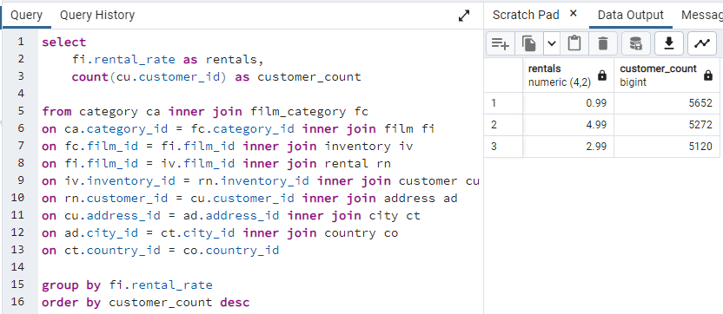
rental_rate | customer_count
0.99 | 5652
4.99 | 5272
2.99 | 5120

slide_8.1
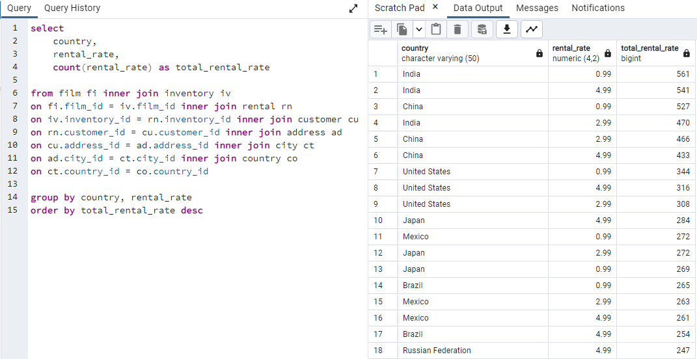
country | rental_rate | total_rental_rate
India | 0.99 | 561
India | 4.99 | 541
China | 0.99 | 527
India | 2.99 | 470
China | 2.99 | 466
China | 4.99 | 433
United States | 0.99 | 344
United States | 4.99 | 316
United States | 2.99 | 308
Japan | 4.99 | 284
Mexico | 0.99 | 272
Japan | 2.99 | 272
Japan | 0.99 | 269
Brazil | 0.99 | 265
Mexico | 2.99 | 263
Mexico | 4.99 | 261
Brazil | 4.99 | 254
Russian Federation | 4.99 | 247
Russian Federation | 0.99 | 245
Brazil | 2.99 | 229
Russian Federation | 2.99 | 221
Philippines | 0.99 | 205
Philippines | 4.99 | 184
Philippines | 2.99 | 179
Indonesia | 0.99 | 146
Turkey | 4.99 | 131
Argentina | 0.99 | 130
Turkey | 2.99 | 130
Turkey | 0.99 | 127
Nigeria | 4.99 | 120
Indonesia | 4.99 | 119
Argentina | 2.99 | 118
Nigeria | 0.99 | 117
Nigeria | 2.99 | 115
Taiwan | 0.99 | 111
Argentina | 4.99 | 104
Indonesia | 2.99 | 102
South Africa | 0.99 | 100
Taiwan | 2.99 | 99
South Africa | 2.99 | 95
Taiwan | 4.99 | 95
South Africa | 4.99 | 90
United Kingdom | 4.99 | 83
United Kingdom | 0.99 | 82
Iran | 0.99 | 81
Poland | 2.99 | 74
Iran | 4.99 | 74
Germany | 2.99 | 74
Poland | 0.99 | 71
Italy | 0.99 | 70
Iran | 2.99 | 70
Venezuela | 0.99 | 65
Colombia | 4.99 | 65
Vietnam | 2.99 | 64
Italy | 4.99 | 64
Germany | 4.99 | 63
Germany | 0.99 | 59
Spain | 0.99 | 59
Poland | 4.99 | 58
Vietnam | 4.99 | 58
Egypt | 2.99 | 57
Venezuela | 2.99 | 56
Egypt | 4.99 | 55
Italy | 2.99 | 55
United Kingdom | 2.99 | 54
Ukraine | 4.99 | 54
Ukraine | 0.99 | 53
Pakistan | 2.99 | 52
Canada | 2.99 | 51
Colombia | 0.99 | 51
South Korea | 0.99 | 51
Ukraine | 2.99 | 51
Vietnam | 0.99 | 50
Venezuela | 4.99 | 49
Spain | 4.99 | 49
Netherlands | 0.99 | 49
Egypt | 0.99 | 49
South Korea | 2.99 | 47
Netherlands | 4.99 | 46
Yemen | 4.99 | 46
Canada | 4.99 | 44
Saudi Arabia | 0.99 | 43
Colombia | 2.99 | 43
Peru | 0.99 | 43
Saudi Arabia | 4.99 | 43
France | 0.99 | 42
Canada | 0.99 | 42
Israel | 0.99 | 39
Netherlands | 2.99 | 39
Pakistan | 0.99 | 38
Pakistan | 4.99 | 38
South Korea | 4.99 | 37
Peru | 4.99 | 37
Yemen | 0.99 | 37
Thailand | 2.99 | 37
Algeria | 2.99 | 37
Bangladesh | 0.99 | 35
Saudi Arabia | 2.99 | 35
Bangladesh | 2.99 | 35
Spain | 2.99 | 34
Yemen | 2.99 | 34
Malaysia | 4.99 | 34
Thailand | 4.99 | 33
Peru | 2.99 | 32
Israel | 4.99 | 32
Ecuador | 0.99 | 31
Ecuador | 4.99 | 31
United Arab Emirates | 2.99 | 31
United Arab Emirates | 0.99 | 30
Mozambique | 4.99 | 30
Tanzania | 4.99 | 30
Malaysia | 0.99 | 29
Romania | 0.99 | 29
Dominican Republic | 2.99 | 28
Chile | 4.99 | 28
Tanzania | 2.99 | 28
Austria | 0.99 | 28
Israel | 2.99 | 28
Algeria | 0.99 | 28
France | 4.99 | 28
Austria | 2.99 | 27
Kazakstan | 0.99 | 27
France | 2.99 | 26
Mozambique | 2.99 | 26
Thailand | 0.99 | 26
Tanzania | 0.99 | 25
Kenya | 4.99 | 25
Belarus | 2.99 | 25
Bangladesh | 4.99 | 25
Morocco | 0.99 | 25
Dominican Republic | 4.99 | 25
Morocco | 4.99 | 25
Ecuador | 2.99 | 25
Algeria | 4.99 | 25
Mozambique | 0.99 | 24
Dominican Republic | 0.99 | 24
Cambodia | 0.99 | 24
Belarus | 0.99 | 23
Cameroon | 0.99 | 23
Puerto Rico | 0.99 | 23
United Arab Emirates | 4.99 | 23
Paraguay | 2.99 | 23
Chile | 0.99 | 23
Switzerland | 0.99 | 23
Latvia | 4.99 | 23
French Polynesia | 4.99 | 23
Austria | 4.99 | 23
Sudan | 0.99 | 22
Paraguay | 4.99 | 22
Oman | 0.99 | 22
Malaysia | 2.99 | 22
Sudan | 4.99 | 22
Puerto Rico | 2.99 | 21
Morocco | 2.99 | 21
Azerbaijan | 4.99 | 21
Myanmar | 0.99 | 21
Yugoslavia | 4.99 | 21
Latvia | 2.99 | 21
Greece | 4.99 | 21
Greece | 0.99 | 20
Chile | 2.99 | 20
Switzerland | 4.99 | 20
Azerbaijan | 0.99 | 20
Angola | 2.99 | 20
Brunei | 0.99 | 20
Bulgaria | 2.99 | 19
Greenland | 0.99 | 19
Runion | 4.99 | 19
Switzerland | 2.99 | 18
Belarus | 4.99 | 18
Congo, The Democratic Republic of the | 4.99 | 18
Kenya | 2.99 | 18
Yugoslavia | 0.99 | 18
Yugoslavia | 2.99 | 18
Bulgaria | 4.99 | 18
French Polynesia | 2.99 | 17
Romania | 2.99 | 17
Bolivia | 0.99 | 17
Bolivia | 2.99 | 17
Paraguay | 0.99 | 17
Congo, The Democratic Republic of the | 0.99 | 17
Puerto Rico | 4.99 | 17
Angola | 0.99 | 16
Angola | 4.99 | 16
Cameroon | 2.99 | 16
Oman | 2.99 | 16
Anguilla | 0.99 | 16
Latvia | 0.99 | 16
Sweden | 2.99 | 16
Romania | 4.99 | 16
Myanmar | 2.99 | 16
Azerbaijan | 2.99 | 16
New Zealand | 2.99 | 15
Congo, The Democratic Republic of the | 2.99 | 15
Liechtenstein | 0.99 | 15
Cameroon | 4.99 | 15
Faroe Islands | 2.99 | 15
Cambodia | 2.99 | 15
Myanmar | 4.99 | 15
Moldova | 0.99 | 14
Cambodia | 4.99 | 14
French Polynesia | 0.99 | 14
Nauru | 4.99 | 14
Runion | 0.99 | 14
Estonia | 2.99 | 13
Moldova | 2.99 | 13
Malawi | 2.99 | 13
Anguilla | 2.99 | 13
Sri Lanka | 2.99 | 13
Holy See (Vatican City State) | 2.99 | 13
Iraq | 0.99 | 13
Greece | 2.99 | 13
Bulgaria | 0.99 | 13
Bolivia | 4.99 | 13
Runion | 2.99 | 13
Hungary | 0.99 | 13
Kazakstan | 4.99 | 13
Lithuania | 0.99 | 13
Kazakstan | 2.99 | 12
Zambia | 0.99 | 12
Hong Kong | 4.99 | 12
Oman | 4.99 | 12
Virgin Islands, U.S. | 4.99 | 12
Turkmenistan | 2.99 | 12
Chad | 0.99 | 12
Gambia | 4.99 | 12
Virgin Islands, U.S. | 0.99 | 12
Armenia | 2.99 | 12
Zambia | 4.99 | 12
Slovakia | 0.99 | 11
Czech Republic | 2.99 | 11
Tunisia | 0.99 | 11
Kenya | 0.99 | 11
Holy See (Vatican City State) | 0.99 | 11
North Korea | 0.99 | 11
Liechtenstein | 4.99 | 11
Estonia | 0.99 | 11
Bahrain | 2.99 | 11
Saint Vincent and the Grenadines | 0.99 | 11
North Korea | 4.99 | 11
Czech Republic | 4.99 | 11
Hong Kong | 0.99 | 10
Ethiopia | 0.99 | 10
Chad | 2.99 | 10
Sweden | 4.99 | 10
Gambia | 0.99 | 10
Holy See (Vatican City State) | 4.99 | 10
Turkmenistan | 4.99 | 10
Chad | 4.99 | 10
Sudan | 2.99 | 10
Madagascar | 4.99 | 10
Finland | 4.99 | 10
Tuvalu | 4.99 | 9
Hungary | 2.99 | 9
Kuwait | 2.99 | 9
Finland | 0.99 | 9
Nauru | 2.99 | 9
Senegal | 2.99 | 9
Senegal | 4.99 | 9
Zambia | 2.99 | 9
Armenia | 4.99 | 9
Nepal | 4.99 | 9
Slovakia | 2.99 | 9
Sri Lanka | 4.99 | 9
Kuwait | 0.99 | 9
Nepal | 0.99 | 9
French Guiana | 0.99 | 9
Bahrain | 4.99 | 9
Tuvalu | 2.99 | 9
Greenland | 2.99 | 9
Afghanistan | 0.99 | 9
North Korea | 2.99 | 9
Malawi | 4.99 | 8
Kuwait | 4.99 | 8
Sweden | 0.99 | 8
Saint Vincent and the Grenadines | 4.99 | 8
Virgin Islands, U.S. | 2.99 | 8
Hong Kong | 2.99 | 8
Tuvalu | 0.99 | 8
Madagascar | 0.99 | 8
Sri Lanka | 0.99 | 8
Gambia | 2.99 | 8
Nauru | 0.99 | 8
Brunei | 4.99 | 8
Czech Republic | 0.99 | 7
Tonga | 0.99 | 7
French Guiana | 4.99 | 7
Finland | 2.99 | 7
Brunei | 2.99 | 7
Iraq | 4.99 | 7
American Samoa | 0.99 | 7
Faroe Islands | 0.99 | 7
American Samoa | 4.99 | 7
Malawi | 0.99 | 7
Tonga | 2.99 | 7
Ethiopia | 2.99 | 7
Moldova | 4.99 | 7
Iraq | 2.99 | 7
Hungary | 4.99 | 7
Senegal | 0.99 | 7
Slovakia | 4.99 | 6
Greenland | 4.99 | 6
Ethiopia | 4.99 | 6
Tunisia | 2.99 | 6
American Samoa | 2.99 | 6
Saint Vincent and the Grenadines | 2.99 | 6
French Guiana | 2.99 | 6
Tunisia | 4.99 | 6
Faroe Islands | 4.99 | 6
Estonia | 4.99 | 6
Anguilla | 4.99 | 6
Lithuania | 4.99 | 6
Lithuania | 2.99 | 5
Bahrain | 0.99 | 5
Afghanistan | 2.99 | 5
Turkmenistan | 0.99 | 5
New Zealand | 0.99 | 5
New Zealand | 4.99 | 4
Afghanistan | 4.99 | 4
Madagascar | 2.99 | 4
Armenia | 0.99 | 4
Nepal | 2.99 | 4
Tonga | 4.99 | 4
Liechtenstein | 2.99 | 2

rental_duration
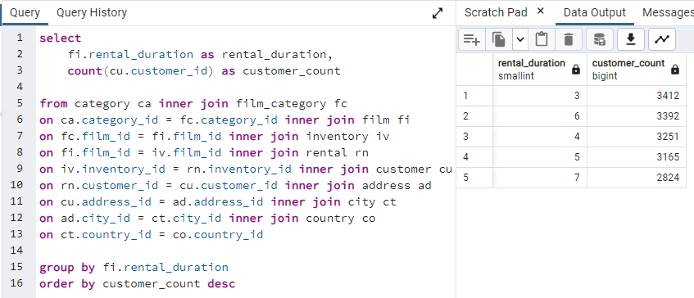
rental_duration | customer_count
3 | 3412
6 | 3392
4 | 3251
5 | 3165
7 | 2824

